Final
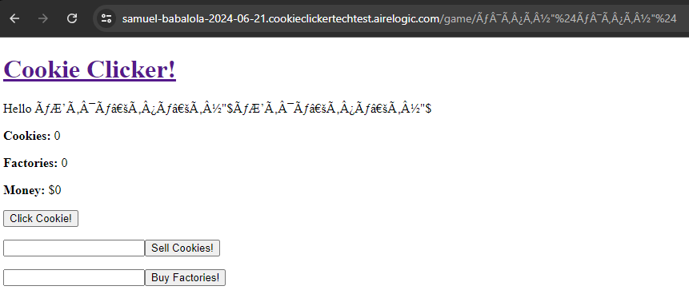
Manual Test Case

SUT: https://samuel-babalola-2024-06-21.cookieclickertechtest.airelogic.com/ |  |  |  |  | Summary
 |  |  |  |  | Total Tests | 55
 |  |  |  |  | PASS | 42
 |  |  |  |  | FAIL | 13
 |  |  |  |  | Error check

Page | Section | Test | Expectation | Status | Notes
Start Page
 | Username: TextField
 |  | Alphabets only | Should work | PASS
 |  | Integer only | Should work | PASS
 |  | Alphanumeric characters | Should work | PASS
 |  | Special Character "£$%^&* | No encoding | FAIL | Error: £ is encoded, and duplicate entries are created in some instances. See footnote below
 |  | Space only | Input rejected | FAIL | Error: This is accepted
 |  | Empty only | Input rejected | FAIL | Error: This is accepted
 |  | Negative int. E.g. -8 | Should not work | FAIL | Works
 |  | Duplicate entry | Duplicates rejected | PASS | Overwrites existing entry. Is this intended behavoir?
 |  | Special character "£$%^&*12 | Should work? | FAIL | Username is created but all buttons are disabled
 |  | 😀 Emoji | Should work? | PASS
 |  | Long character length | Should have limit | FAIL | No limit
 |  | Submit button works using: Mouse Click | Should work | PASS
 |  | Submit button works using: Spacebar | Should work | PASS
 |  | Submit button works using: Enter | Should work | PASS
 | High Score: HTML Table
 |  | Without Dadta, table is empty | Should work | PASS
 |  | Table is populated with username is generated | Should work | PASS
 |  | Player link is available when username contains text | Should work | PASS
 |  | Player link is unavailable when username does not contains text | Link should be available | FAIL | Error: Should fail
 |  | Long usernames should wrap text and preserve Table column | Names are wrapped | FAIL | Scores column being pushed away
Game Page
 | Home Link
 |  | Successfully return to start page | Should work | PASS
 | Username
 |  | Username is displayed correctly | Should work | PASS
 | Cookie: Label
 |  | Initial value is 0 | Should work | PASS
 |  | Value increments by 1 when Click cookie is clicked | Should work | PASS
 |  | Value incrementsd by 1 when 1 Factory is added | Should work | PASS
 |  | Value increments by 2 when 1 Factory us added and Cookie button clicked | Should work | PASS
 |  | Value incrementsd automatically by 1 every second when 1 Factory is added | Should work | PASS
 |  | Value is depleted by th eamount set when Sell cookies is clicked | Should work | PASS
 | Factories: Label
 |  | Initial value is 0 | Should work | PASS
 |  | Value is incremented by 1 when Buy Factory with input: 1 Is clicked | Should work | PASS
 |  | Value is NOT depleted when Buy Factory with input: -1 Is clicked | Should work | PASS
 | Money: Label
 |  | Initial value is 0 | Should work | PASS
 |  | Value is incremented by input multiplied by 0.25 when Sell Cookie is clicked | Should work | PASS
 |  | Value is depleted by by input multiplied by 3 when Buy Factory is clicked | Should work | PASS
 |  | Value cannot be negative | Should not work | FAIL | When Buy Factory is clicked, Money value can become negative
 | Sell Cookies
 |  | When value is larger than Cookie Label value, Money is not updated | Should work | PASS
 |  | Input: -2 | Should not work | FAIL | Error: Should fail
 |  | Input: 2 | Should work | PASS
 |  | Input: *2 | Should not work | FAIL | It works
 |  | Alphanumeric characters | Should work | PASS
 |  | Space only | Should not work | PASS
 |  | Input: 0 | Should not work | PASS
 |  | Empty only | Should not work | PASS
 |  | Input: 2+1 | Should not work | FAIL | It works
 | Buy Factories
 |  | 8 | Should work | PASS
 |  | "+8" | Should work | PASS
 |  | $8 | Should not work | PASS
 |  | "++8" | Should not work | PASS
 |  | -8 | Should not work | PASS
 |  | *8 | Should not work | PASS
 |  | /8 | Should not work | PASS
 |  | Space | Should not work | PASS
 |  | 0 | Should not work | PASS
 |  | * | Should not work | PASS
 |  | # | Should not work | PASS
 |  | 2+1 | Should not work | FAIL | It works

Footnote
 | This duplicate record was created:

